Report
 |  |  |  |  |  |  |  |  | 5408 |  |  | 5408
 |  |  |  |  |  |  |  |  | 30007 |  |  | 30007
 |  |  |  |  |  |  |  |  | 412393279 |  |  | 412393279
 |  |  |  |  |  |  |  |  | 9546427142189 |  |  | 9546427142189
 |  |  |  |  |  |  |  |  | 4246122212200 |  |  | 4246122212200
Words | Answer |  |  |  |  |  |  |  | 21897285670007213 |  |  | 21897285670007213
58 | 5408 |  |  |  |  |  |  |  | 7355459819546427142189 |  |  | 7355459819546427142189
307 | 30007 | 58 | 58 | 58 | 40 | 5408 | 5408 |  | 5357213155000520436900 |  |  | 5357213155000520436900
4339 | 412393279 |  |  |  |  |  |  |  | 77122105255408811199273248 |  |  | 77122105255408811199273248
96729 | 9546427142189
462120 | 4246122212200
2987073 | 21897285670007213
75996729 | 7355459819546427142189
573505490 | 5357213155000520436900
71255811938 | 77122105255408811199273248 |  |  |  |  |  |  | 5408
 |  |  |  |  |  |  | 58 | 5408 |  | TRUE | TRUE
 |  |  |  |  |  |  | 307 | 30007 |  | TRUE | TRUE
 |  |  |  |  |  |  | 4339 | 412393279 |  | TRUE | TRUE
 |  |  |  |  |  |  | 96729 | 9546427142189 |  | TRUE | TRUE
 |  |  |  |  |  |  | 462120 | 4246122212200 |  | TRUE | TRUE
 |  |  |  |  |  |  | 2987073 | 21897285670007213 |  | TRUE | TRUE
 |  |  |  |  |  |  | 75996729 | 7355459819546427142189 |  | TRUE | TRUE
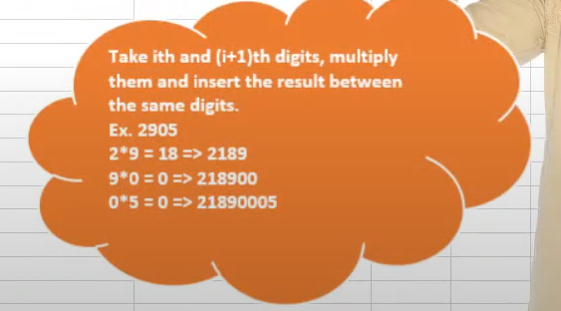
 |  |  |  |  |  |  | 573505490 | 5357213155000520436900 |  | TRUE | TRUE
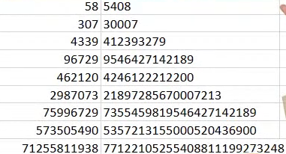
 |  |  |  |  |  |  | 71255811938 | 77122105255408811199273248 |  | TRUE | TRUE

Formats

FROM: | Mark Biegert
SUBJECT: | Biegert Standardized Formating |  |  |  | Reference Info Card
DATE: | 01-Apr-2024
FROM:
SUBJECT:
DATE:
Mark Biegert
SDK Report
5-Mar-2024
Table Formats

 | Category A | Category B | Category C | Value
 | A | 1 | a | 1
 | A | 2 | b | 2
 | B | 1 | a | 3
 | B | 2 | b | 4
 | C | 1 | a | 5
 | C | 2 | b | 6

 | Sum of Value |  | Category C
 | Category A | Category B | a | b | Grand Total
 | A
 |  | 1 | 1 |  | 1
 |  | 2 |  | 2 | 2
 | B
 |  | 1 | 3 |  | 3
 |  | 2 |  | 4 | 4
 | C
 |  | 1 | 5 |  | 5
 |  | 2 |  | 6 | 6
 | Grand Total |  | 9 | 12 | 21

Tab Colors

 | Report Tabs
 | Data Tabs
 | Analysis Tabs
 | References
 | Metadata Tabs
 | Chart Tabs

